Registration
Registration page

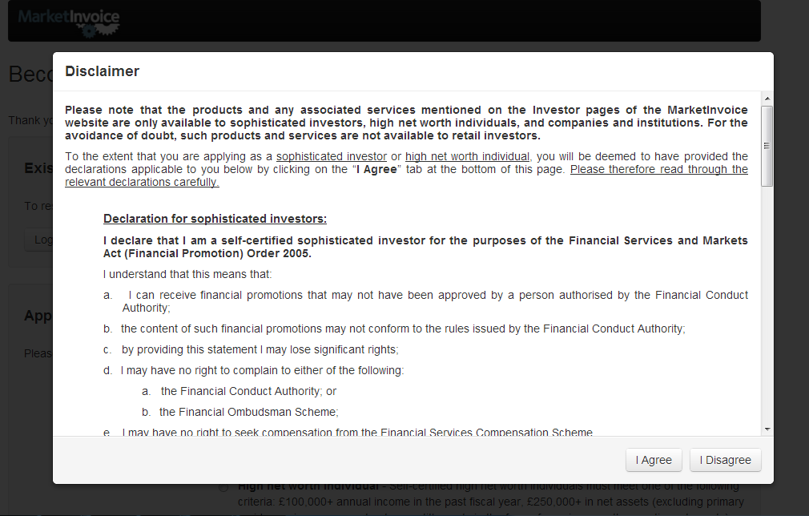
 | Company logo
 | Product name |  |  |  |  | Language
 |  |  |  |  |  | Help | Contact Us

 | Resume Application/Existing User |  |  |  | Benefits and Advantages of Using the EntroX platform, or some current promotions.

 |  |  | Login

 | New Application

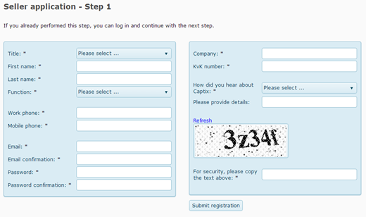
 | Email
 | Password
 | Confirm Password
 | Other details like phone/name/address

 |  |  | Submit

 |  | About | How it works | Learning centre | Contact us | Cookie policy | Terms of use
 |  |  |  | Copyright & VPBank address

Seller application
Seller's application page

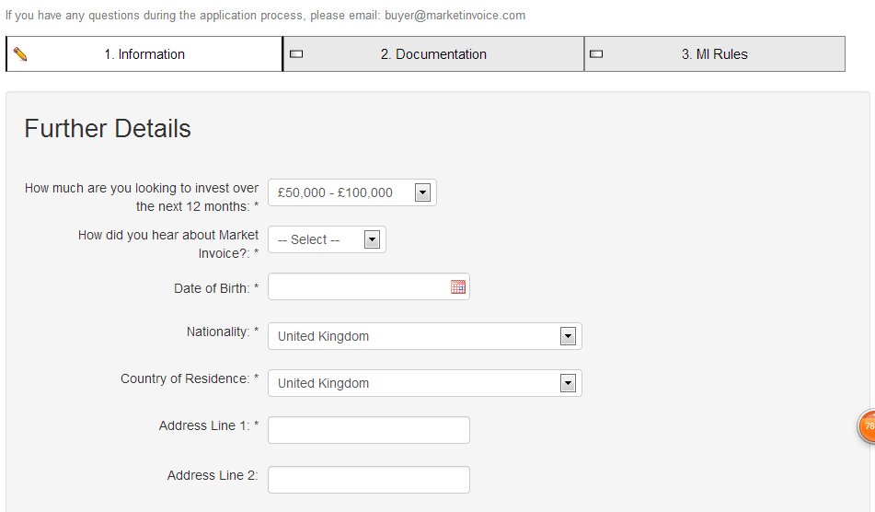
 | Company logo
 | Product name |  |  | Language
 |  |  |  | Help | Contact us
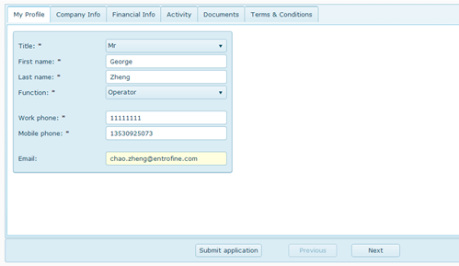

 |  | About | How it works | Learning centre | Contact us | Cookie policy | Terms of use
 |  |  | Copyright & VPBank address

Submit a new invoice
Invoice upload page (after seller's application is passed)

 | Company logo (EntroFine or EntroAuction?)
 | Product name |  |  |  |  | language
 |  |  |  |  |  | Help | Account
 | HOME | sell invoice | buy invoice (depends on role) | magin loan | …… | Apply as seller/buyer
 | Invoice in the market | submit a new invoice | My nvoice list | Auction | invitation
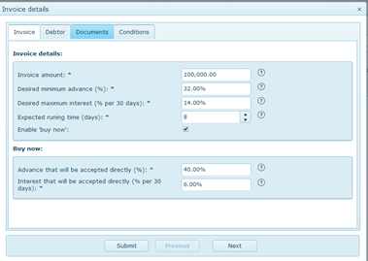
 | Invoice

 | Debtor

 | Documents

 | Conditions

 |  | About | How it works | Learning centre | Contact us | Cookie policy | Terms of use
 |  |  | Copyright & VPBank address

Open Auction Detail
Open Auction Detail

 | Company logo (EntroFine or EntroAuction?)
 | Product name |  |  |  |  |  | language
 |  |  |  |  |  |  | Help | Account

 | Seller ID |  |  | Auction Detail | Best bid: | Interest |  | Bidding History
 | Seller rating |  |  |  |  | Financing %
 | Invoice Info |  |  |  | Please fill in the detail of your bid: | Interest |  | Make Bid
 | Invoice Rating |  |  |  |  | Financing %
 | Debtor Rating |  |  |  | Buy-now Conditions: | Interest |  | Buy Now
 | Debtor Notification (Y/N) |  |  |  |  | Financing %
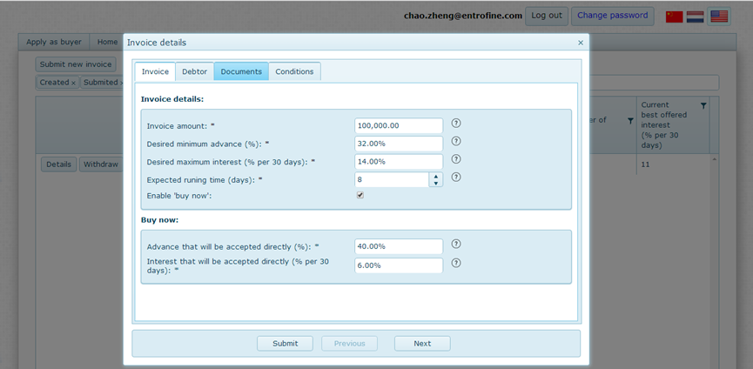
 |  |  |  | Show the detail of the expected profit in dollar amount automatically

 |  | About | How it works | Learning centre | Contact us | Cookie policy | Terms of use
 |  |  | Copyright & VPBank address

